Business Model
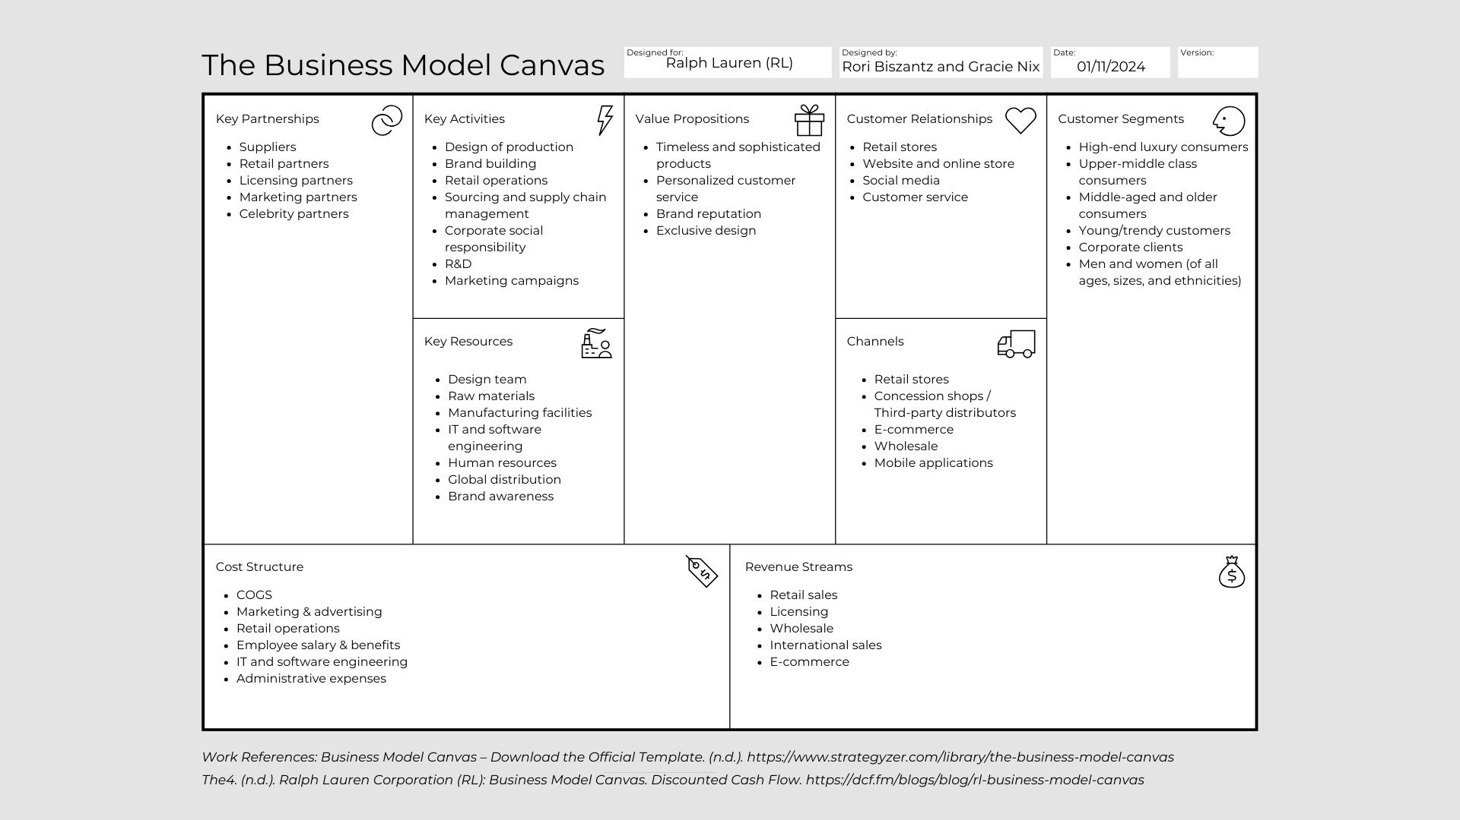

Company Information & Key Links:

 | Company Website: |  |  | https://www.ralphlauren.com/
 | Key Observations & Learnings from the website:
 |  |  |  | 1 | We didn't realize what all RL offers besides apparel and fragrance, such as home and gifts.
 |  |  |  | 2 | RL offers virtual virtual try-ons.
 |  |  |  | 3 | RL offers the option for customization/"create your own" within their apparel, accessories, and home tabs.
 |  |  |  | 4 | RL strong brand awareness and appeal through their website visuals.

 | Marketwatch & WSJ/Yahoo Links: |  |  | https://www.marketwatch.com/investing/stock/rl?mod=mw_quote_switch |  |  | https://www.wsj.com/market-data/quotes/RL?mod=quote_search
 | Key Observations on stock and dividends (if applicable) from the website:
 |  |  |  | 1 | Shares of RL rose 1.67% to $145.30 on Monday (01/08/2024), which proved to be an all-around great trading session for the stock market. This was the stock's third consecutive day of gain.
 |  |  |  | 2 | RL stock notched its highest close in more than a year on July 10, 2023, following news the brand will return to New York Fashion Week after a four-year hiatus.
 |  |  |  | 3 | RL stock rose on November 8, 2023 after the company beat Wall Street’s expectations for the second-quarter and reiterated guidance for fiscal 2024.
 |  |  |  | 4 | December of 2023, shares of RL rose to 41.3% due to their progress in expanding digital and omnichannel capabilities through investments in mobile, omnichannel, and fulfillment. Also the industry had a 24.3% growth.

 | SEC Edgar Website: |  |  | https://www.sec.gov/ix?doc=/Archives/edgar/data/1037038/000103703823000015/rl-20230401.htm
 | Key Learnings from Management's Discussion:
 |  |  |  | 1 | RL is affected positively by their seasonal wholesales. Specifically during back to school, vacation/travel, and holiday shopping periods. During this time, the company has higher retail sales in their second and third fiscal quarters and high wholesale sales in their second and fourth fiscal quarters for the year 2023.
 |  |  |  | 2 | Due to new openings in Asia, RL had an increase of 90 stores and concessions compared to 2022.
 |  |  |  | 3 | In the fiscal year of 2023, RL saw a lower average level of outstanding debt (due to an increase in interest income) and higher interest rates in financial markets (due to a decrease in interest expense).
 |  |  |  | 4 | In the United States, RL has the most Freestanding Stores equating to 41.7% of the total freestanding stores. In Asia, RL has the most Concession Shops equating to 95.8% of the total concession shops.

 | Key Competitors & Business Unit Structure:
 |  |  |  | Calvin Klein |  | Ralph Lauren
 |  |  |  | Armani |  | Apparel
 |  |  |  | Hanes Brands |  | Footwear
 |  |  |  |  |  | Accessories
 |  |  |  |  |  | Fragrance
 |  |  |  |  |  | Home
 |  |  |  |  |  | Hospitality/Food Service
 | Additional Key Information: |  |  |  |  | Chaps (Brand of Ralph Lauren Corporation)

 |  | 1 | You can book in-store and virtual appointments via their website.
 |  | 2 | On December 23, 2023 RL stock was at its highest its been in three years.

Charts
HTML Links:
1 | https://www.wsj.com/business/retail/luxury-hand-me-downs-are-now-worth-billions-of-dollars-68d8ad6b?mod=Searchresults_pos15&page=1 | Explanation: From looking at the “change in average resale value vs. a year ago”, we were able to see which designer bags do well/don’t do well after reselling the certain designer name a year later. For example, Salvatore Ferragamo is in the middle of a revamp, which could be why their resale numbers are good (customers want to buy their “OG” bags in case they’re never seen/sold again with the revamp in place). Whereas, Burberry’s resale on bags aren’t doing too great, especially since they hired a new creative director to improve lacklustre sales, so it makes you wonder what they’re doing wrong in not being able to see growth.
2 | https://www.wsj.com/personal-finance/taxes/who-owes-irs-money-2023-803844a8?mod=Searchresults_pos8&page=1 | Explanation: From the “number of individual tax returns with a balance due” graph, we were able to see how much money people (in total) had to owe the IRS between the years 2017-2021. The debt will keep growing, which is the danger of owing the IRS back taxes. “Penalties and interest accrue until you pay in full, so the sooner you pay, the better” (Ebeling, 2024).
3 | https://www.wsj.com/livecoverage/stock-market-today-cpi-report-inflation-01-11-2024/card/tracking-trends-in-inflation-food-and-energy-prices-Km1Mfx2aVle8iECqOuD8?mod=Searchresults_pos16&page=1 | Explanation: From the “energy and food prices, change from a year earlier” (2022-2023) graph, we were able to visually see how inflation is increasing/decreasing through food, energy and overall CPI.

 | 1-Apr-23 | 2-Apr-22 | 27-Mar-21 | Data is from Income Statement Tab
Gross Profit | $4,166 | $4,148 | $2,861 | Numbers are in millions
Total other Operating Expenses, net | $(3,462) | $(3,349) | $(2,905)
Net Income from Continuing Operations | $510 | $556 | $(152)
Gross Profit of RL 2021-2023

Capital Structure
 |  |  |  |  |  |  |  |  |  |  |  | 2024-04-01
 | Year 1 (2023) |  |  |  | Average SH equity: |  | Average LT Operating Assets: |  |  | Average Common Stock: |  | Stock Prices retrieved from RL: https://investor.ralphlauren.com/stock-information/historical-price-lookup?8c7bdd83-a726-4a84-b969-494be2477e47%5BRL%5D%5Bdate_month%5D=04&8c7bdd83-a726-4a84-b969-494be2477e47%5BRL%5D%5Bdate_day%5D=1&8c7bdd83-a726-4a84-b969-494be2477e47%5BRL%5D%5Bdate_year%5D=2021&url=
Debt to Equity: | 0.64202077 |  | D/E= total liabilities/ total shareholder equity |  | 3751.25 | 2023 | 1447.25 | 2023 |  | 1.3 | 2023 | 116.67 | 2023
Quick Ratio: | 2.22571142 |  | QR: quick assets/ current liabilities; QA= total current assets-inventory-prepaid expenses |  | 3872.4 | 2022 | 1498.75 | 2022 |  | 1.3 | 2022 | 112 | 2022
Free Cash Flow: | $628.50 |  | FCF: operating cash flow - capital expenditures |  | 3995.3 | 2021 | 1486.5 | 2021 |  | 1.3 | 2021 | 119.94 | 2021
Return on Equity: | 18.44% |  | ROE= profit margin x asset turnover x financial leverage
 | 8.11% |  | Profit Margin= net profit/sales |  | Market Capitalization |  | Outstanding shares
 | 4.45230610 |  | Asset Turnover= sales/assets |  | 4554.7968 | 2023 | 39.04 | 2023
 | 0.31899692 |  | Finacial Leverage= debt/capital = LT debt/(LT debt + equity) |  | 4372.48 | 2022 | 45 | 2022
 |  |  |  |  | 4682.4576 | 2021 | 48.3 | 2021 | 2021 & 2022: Obtained from Annual Report, Edgar
Net Worth | $6,789.50 |  | Owners Equity of the Company

EBIT: | $8,310.40 |  | Earnings before interest and taxes
Net Earnings | $522.70 |  | Bottom line net revenue
Number of Shares | 1.3 |  | Number of common shares outstanding (from OE statement or brokerage information) |  |  |  |  | 2023 | 2022 | 2021
EPS | $13.39 |  | EPS= NE/common shares outstanding |  |  | Debt to Equity: |  | 0.64202077 | 0.67170246 | 0.669806656
EV: | $4,164.00 |  | EV= MC + total debt - cash |  |  | Quick Ratio: |  | 2.22571142 | 1.86961919 | 2.655224634
 | 15470.44 |  | MC= market capitalization = current stock price x number of shares (common + preferred) |  |  | Free Cash Flow: |  | $628.50 | $1.47 | $488.70
 | 116.67 |  | Stock price |  |  | Return on Equity: |  | 18.44% | 19.49% | -1.87%
 | $2,632.00 |  | Total debt= short term + long term debt
 |  |  |  |  |  | Net Worth |  | $6,789.50 | $7,724.70 | $7,887.50

WACC - current Year only: | 8.10% | Retrieved from https://valueinvesting.io/RL/overview |  |  |  | EBIT: |  | $8,310.40 | $5,502.60 | $4,019.90
BETA - current only | 0.96 |  |  |  |  | Net Earnings |  | $522.70 | $600.10 | $121.10
 |  |  |  |  |  | Number of Shares |  | 1.3 | 1.3 | 1.3
 |  |  |  |  |  | EPS |  | $402.08 | $461.62 | $93.15
 | Year 2 (2022) |  |  |  |  | EV: |  | $15,079.64 | $14,123.90 | $14,957.94
Debt to Equity: | 0.67170246 |  | D/E= total liabilities/ total shareholder equity
Quick Ratio: | 1.86961919 |  | QR: quick assets/ current liabilities; QA= total current assets-inventory-prepaid expenses
Free Cash Flow: | $1.47 |  | FCF: operating cash flow - capital expenditures
Return on Equity: | 19.49% |  | ROE= profit margin x asset turnover x financial leverage
 | 9.65% |  | Profit Margin= net profit/sales
 | 4.1491242702 |  | Asset Turnover= sales/assets
 | 0.17967811 |  | Finacial Leverage= debt/capital = LT debt/(LT debt + equity)

Net Worth | $7,724.70 |  | Owners Equity of the Company

RL Capital Structure Over 3 Years (2021 - 2023)
 | 2023 | 2022 | 2021
 | 0.64202077 | 0.67170246 | 0.669806656
 | 2.22571142 | 1.86961919 | 2.655224634
 | 628.50000000 | 1.47 | 488.7
 | 0.18440000 | 0.1949 | -0.0187
 | 6789.50000000 | 7724.7 | 7887.5
 | 8310.40000000 | 5502.6 | 4019.9
 | 522.70000000 | 600.1 | 121.1
 | 1.30000000 | 1.3 | 1.3
 | 402.08000000 | 461.62 | 93.15
 | 15079.64000000 | 14123.9 | 14957.94
EBIT: | $5,502.60 |  | Earnings before interest and taxes
Net Earnings | $600.10 |  | Bottom line net revenue
Number of Shares | 1.3 |  | Number of common shares outstanding (from OE statement or brokerage information)
EPS | $13.34 |  | EPS= NE/common shares outstanding
EV: | $3,645.18 |  | EV= MC + total debt - cash
 | $14,851.20 |  | MC= market capitalization = current stock price x number of shares (common + preferred)
 | 112 |  | Stock price
 | $3,392.20 |  | Total debt= short term + long term debt

 | Year 3 (2021)
Debt to Equity: | 0.669806656 |  | D/E= total liabilities/ total shareholder equity
Quick Ratio: | 2.655224634 |  | QR: quick assets/ current liabilities; QA= total current assets-inventory-prepaid expenses
Free Cash Flow: | $488.70 |  | FCF: operating cash flow - capital expenditures
Return on Equity: | -1.87% |  | ROE= profit margin x asset turnover x financial leverage
 | 2.75% |  | Profit Margin= net profit/sales
 | 2.9605112681 |  | Asset Turnover= sales/assets
 | 0.385363321 |  | Finacial Leverage= debt/capital = LT debt/(LT debt + equity)

Net Worth | $7,887.50 |  | Owners Equity of the Company

EBIT: | $4,019.90 |  | Earnings before interest and taxes
Net Earnings | $121.10 |  | Bottom line net revenue
Number of Shares | 1.3 |  | Number of common shares outstanding (from OE statement or brokerage information)
EPS | $2.51 |  | EPS= NE/common shares outstanding
EV: | $3,736.36 |  | EV= MC + total debt - cash
 | $15,904.04 |  | MC= market capitalization = current stock price x number of shares (common + preferred)
 | 119.94 |  | Stock price
 | $3,217.70 |  | Total debt= short term + long term debt

 |  |  |  | Some Observations on the 8 key variables value and change over time:
 |  |  |  | 1) RL's BETA has been following the line.
 |  |  |  | 2) RL's ROE increased by 17.62 from year 3 (2021) to year 2 (2022).
 |  |  |  | 3) RL's stock price has changed very minimally over the past three years. It rises and drops regularly.
 |  |  |  | 4) RL's total debt decreased by $760 from year 1 (2023) to year 2 ( 2022).
 |  |  |  | 5) RL had more owner's equity of the company in year 3 (2021) than it does currently in year 1 (2023).
 |  |  |  | 6) RL's EPS in 2021 started at $93.15 and rose to $461.62 within the next year.
 |  |  |  | 7) RL's net earnings had a big jump from 2021 to 2022. ($121 to $600 then decreased to $522.70 in 2023).
 |  |  |  | 8) Overall, in 2021 RL had low asset turnover compared to the following years.

 |  |  |  | Describe what you have observed about the capital structure ratios (Debt v. Equity choices) for your company. Does it help to look at this data over time? Why?
 |  |  |  | It helps to look over this data to ensure the company is being responsible with its assets and overall stability. Comparing this data over a few years, shows how many changes are made within a year, what risks have been taken, and what ways the company has been able to mitigate such risks. Overall, it is important to evaluate companies like this to fully understand how the company funds its operations and promotes growth.

